Dashboard
Footnotes:
¹Due to differences in analysis procedures and cagtegorization, the figures reported in the dashboard may vary from those in previously published reports.
²If more than one survey year is selected, organizations that responded to the survey in multiple years will be represented more than once.
³The N displayed is the total number of respondents in the selected survey year but does not reflect missing data for specific variables.
⁴The "institutions" category includes K-12 schools, colleges and universities, hospitals, adult care facilities, emergency food facilities, and PreK and ECE centers.
⁵The "other" category includes uncategorized sales.
National Food Hub Survey Data Dashboard¹

Instructions: Choose a survey year² and, if desired, a U.S. region. Clear filters by clicking the button with the X in the upper right corner.
Percentage of Organizations by Years in Operation
 | 0 - 2 years | 3 - 5 years | 6 - 10 years | 11 - 15 years | over 20 years
Total | 15% | 25% | 35% | 15% | 10%
Percentage of Organizations by Legal Status
 | Total
Nonprofit | 60%
For-profit | 30%
Cooperative | 10%

Average Percentage of Total Gross Sales by Customer Type4,5
 | Direct to Consumer | Restaurants & Caterers | Retailers | Distributors & Other Hubs | Institutions | Processors | Other
Total | 45 | 24 | 5 | 4 | 10 | 0 | 13

Percentage of Organizations by Business Model
 | Total
Primarily direct to consumer | 55%
Hybrid | 20%
Primarily wholesale | 25%

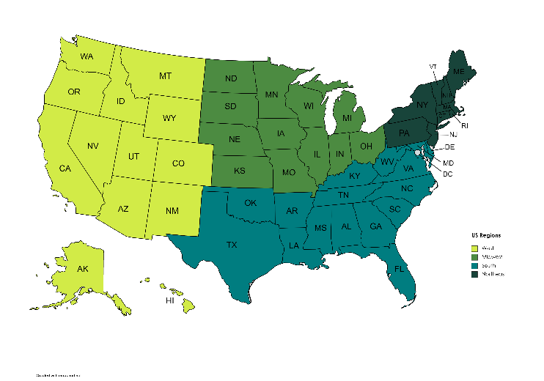
Midwest
West
South
Northeast

Total Organization Sales as a Portion of a Dollar by Product Category
 | Fresh Produce and Herbs | Processed Produce and Herbs | Meat, poultry and fish | Milk and other dairy products | Eggs | Other
Total | 52 | 1 | 18 | 3 | 3 | 23
Operating Expense Ratio
 | Min of OER | Average of OER | Max of OER
Total | 0.10 | 0.75 | 1.00
N = | 20
N varies by graph3

Data Dashboard Tool developed by:

Dependence on Grant Funding
 | Not at all dependent | Somewhat dependent | Highly dependent
Total | 29% | 24% | 47%

Minimum Average Maximum

